M2JEF0010_MyAccount
Project Name |  |  |  | Magento Extension |  |  |  |  | Process | Basic Design |  | Author | TTV-Tuyen | Created Date | 2016-09-07
System Name |  |  |  | Magento 2 |  |  |  |  | Sub System Name |  |  | Updater | TTV-Minh | Updated Date | 2016-09-08
Product name |  |  |  | Screen Design |  |  |  |  |  |  |  | Section | M2JEF0010

Screen Layout

 | １．Screen Layout

 |  | １-１．Account Widthdrawal link in the left menu sidebar of user account
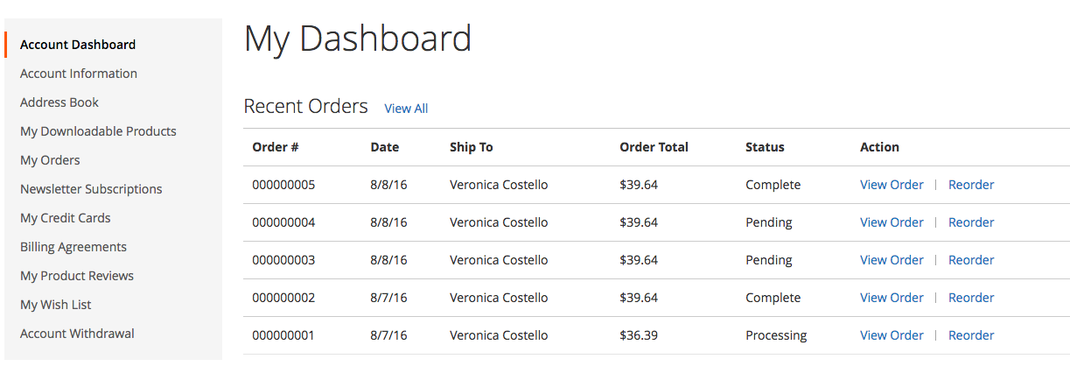

Account Widthdrawal link in the left menu sidebar of Account User

To complete withdrawal your account, please click on the link we’ve just sent on your e-mail.

Functional Overview

 | ２．Function Overview

 |  | ・Screen display with Account Widthdrawal function when enable Extension .

 | ３．Action

 |  | ３-１．Display screen
 |  |  | ・The Account Withdrawal link will display if Account Withdrawal Extension is enabled

 |  | ３-2．When click on Account Withdrawal link 「Account Withdrawal」
 |  |  | - Next screen「M2JEF0011 Account Withdrawal Confirmation」

 | ４．The main common definition to be used
 |  | None

Screen item definition

 | ５．Screen input and output item

 | No. | Item Name |  |  | I/O style | I/O | Length | Initial display | Display conditions |  | Display output formats | Description
 | 1 | Account Withdrawal |  |  | Link | O | - | Fixed text | - |  | - | Refer to「3-2.Khi click「Account Withdrawal」」

 | ６．Input check definition
 |  | None

M2JEF0011_WithdrawalConfirm
Project Name |  |  |  |  | Magento Extension |  |  |  |  |  |  |  | Process |  | Basic Design |  |  |  |  | Author |  | TTV-Tri | Created Date | 2016-09-07
System Name |  |  |  |  | Account Withdrawal Extension |  |  |  |  |  |  |  | Sub System Name |  | 0 |  |  |  |  | Updater |  | TTV-Tri | Updated Date | 2016-10-27
Product name |  |  |  |  | Screen Structure |  |  |  |  |  |  |  |  |  |  |  |  |  |  | Section |  | M2JEF0011

Screen Layout

 | １． | Screen Layout

 |  | １-１．Initial Display

You will not withdraw successful if your order is not complete yet!
If you want to withdraw your account. Please enter your password

1
Confirm
Password *

2

Confirm

3

 |  | １-２．Display Error

To complete withdrawal your account, please click on the link we’ve just sent on your e-mail.

You will not withdraw successful if your order is not complete yet!
If you want to withdraw your account. Please enter your password

1

Password *

This is a required field.

Confirm

Functional Overview

 | ２．Function Overview

 |  | ・Screen display to customer input password to confirm withdrawal proccess

 | ３．Action

 |  | ３-１．Screen Display
 |  |  | ・To make sure, this page only display when user was logged. so if the status is not logged redirect to Login Page.

 |  | ３-２．Click button 「 Confirm」
 |  |  | ・Check password match with this account or not. If password doesn’t match, display error message in 「The entire error message」
 |  |  |  | ・「 The password doesn’t match with this account」
 |  |  |  | Notes: Because the max length of password is 256. So if the password has number of character > 256, it's also doesn't match with this account.
 |  |  |  | In this case, display error message 「 The password doesn’t match with this account」 in 「The entire error message」, do not need compare with current password.

 |  |  | ・To make sure that the account don’t have any order are processing. If exist at least an order of this account is processing, display error message in 「The entire error message」
We can't not withdraw your account, because your order is not complete yet.
Please check your order status by click here

 |  |  | To check order status refer sheet 「4.Order Status」in Document 20_TEAM\20_BasicDesign\Common Design\【Magento Extension】Common Design.xlsx

 |  |  |  | ・Click link 「 here」 above, go to 「 M2JEF0012 My Orders Page 」
 |  |  | ・If 2 condition above are satisfy:
 |  |  |  | ・.Backup customer information

 |  |  |  | table |  |  | column |  |  |  |  | Update data
 |  |  |  | customer_entity |  |  | email |  |  |  |  | entity_id + "@example.jp"
 |  |  |  |  |  |  | （Where)
 |  |  |  |  |  |  | entity_id |  |  |  |  | enity_id of customer (get from session)
 |  |  |  | customer_entity_varchar |  |  | value |  |  |  |  | email of customer
 |  |  |  |  |  |  | （Where)
 |  |  |  |  |  |  | entity_id |  |  |  |  | enity_id of customer (get from session)
 |  |  |  |  |  |  | attribute_id |  |  |  |  | attribute_id of attribute_code = "backup_email"
 |  |  |  | customer_entity_datetime |  |  | value |  |  |  |  | current date
 |  |  |  |  |  |  | （Where)
 |  |  |  |  |  |  | entity_id |  |  |  |  | enity_id of customer (get from session)
 |  |  |  |  |  |  | attribute_id |  |  |  |  | attribute_id of attribute_code = "withdraw_date"

 |  |  |  | ・Mask personal information of customer
 |  |  |  | notes: if the value of the field is empty, keep this value.

 |  |  |  | table |  |  | column |  |  |  |  | Update data
 |  |  |  | customer_entity |  |  | firstname |  |  |  |  | the first character of firstname + "XXXX"
 |  |  |  |  |  |  | middlename |  |  |  |  | the first character of middlename + "XXXX"
 |  |  |  |  |  |  | lastname |  |  |  |  | the first character of lastname + "XXXX"
 |  |  |  |  |  |  | （Where)
 |  |  |  |  |  |  | entity_id |  |  |  |  | enity_id of customer (get from session)

 |  |  |  | table |  |  | column |  |  |  |  | Update data
 |  |  |  | customer_address_entity |  |  | firstname |  |  |  |  | the first character of firstname + "XXXX"
 |  |  |  |  |  |  | middlename |  |  |  |  | the first character of middlename + "XXXX"
 |  |  |  |  |  |  | lastname |  |  |  |  | the first character of lastname + "XXXX"
remove this logic.
do not need to mask field "company"
 |  |  |  |  |  |  | fax |  |  |  |  | get the first 5 characters of fax
 |  |  |  |  |  |  | telephone |  |  |  |  | get the first 5 characters of telephone
 |  |  |  |  |  |  | street |  |  |  |  | the first character of street + "XXXX"
 |  |  |  |  |  |  | company |  |  |  |  | the first character of company + "XXXX"
 |  |  |  |  |  |  | （Where)
 |  |  |  |  |  |  | entity_id |  |  |  |  | enity_id of customer (get from session)

 |  |  |  | ・Change del_flg to 1

 |  |  |  | table |  |  | column |  |  |  |  | Update data
 |  |  |  | customer_entity |  |  | del_flg |  |  |  |  | 1
 |  |  |  |  |  |  | （Where)
 |  |  |  |  |  |  | entity_id |  |  |  |  | enity_id of customer (get from session)

 |  |  |  | ・Process Log out
 |  |  |  | ・Go to Screen 「M2JEF0013 Account Withdrawal Complete 」thdrawal Complete
 |  |  |  | ・Remove Newsletter Subscriber of this customer
 |  |  |  | ・Send email to inform customer after withdrawal successful (refer sheet Email_Template_Withdrawal)

 | ４．The main common definition to be used

 |  | To check order status refer sheet 「4.Order Status」in Document 20_TEAM\20_BasicDesign\Common Design\【Magento Extension】Common Design.xlsx

Screen item definition

 | ５．Screen input and output item

 |  | No. | Item Name |  |  | I/O style |  | I/O | Length |  | Initial display |  |  | Display conditions |  |  | Display output formats |  |  |  | Description
 |  | 1 | Password |  |  | Password |  | I |  | 256 | Blank |  |  | - |  |  | -
 |  | 2 | Confirm |  |  | Button |  | O |  | - | Fixed message |  |  | - |  |  | - |  |  |  | refer「３-２．click「Confirm」」
 |  | 3 | The entire error message |  |  | Label |  | O |  | - | - |  |  | Refer 3.Action |  |  | -

 | ６．Input check definition
 |  |  |  |  |  |  |  |  |  |  |  |  |  |  | Single item check |  |  |  |  |  | Correlation check
 |  | No. | Item Name |  |  | Due action |  |  |  |  |  |  |  | I/O style | Required | Number of characters |  | Format |  |  | Correlation item name |  | Format
 |  | 1 | Password |  |  | ３-２．click「Confirm」 |  |  |  |  |  |  |  | Password | ○ | None |  |  | - |  | None |  | None

M2JEF0013_WithdrawalComplete
Project Name |  |  | Magento Extension | Process | Basic Design | Author | TTV-Tri | Created Date | 2016-09-07
System Name |  |  | Account Withdrawal Extension | Sub System Name | 0 | Updater | TTV-Minh | Updated Date | 2016-09-08
Product name |  |  | Screen Structure |  |  | Section | M2JEF0013

Screen Layout

 | １．Screen Layout

 |  | １-１．Account withdrawal success.

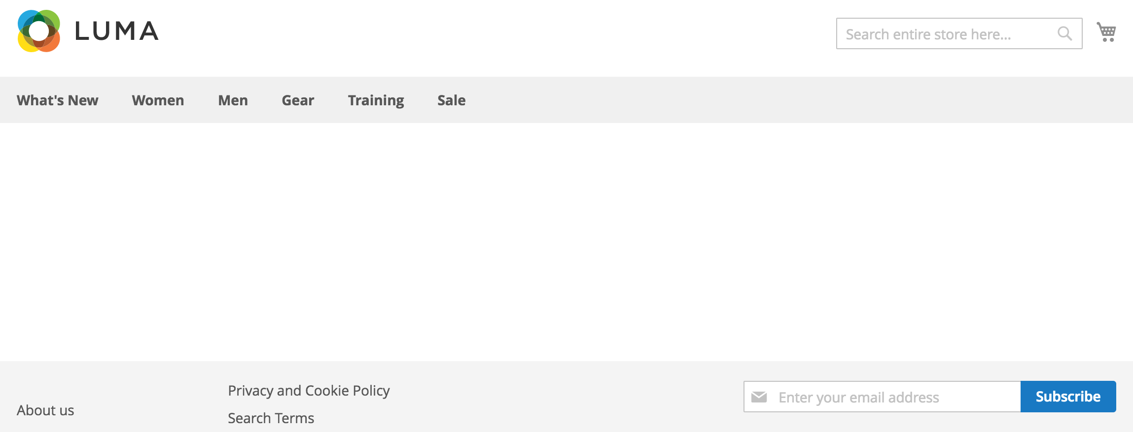

Confirm
The message shows success Account Withdrawal

You have been withdraw your account successful. it will auto redirect to Home Page after 5 seconds.

Functional Overview

 | ２．Function Overview

 |  | ・Screen display to notify the customer, the withdrawal process has been successful.

 | ３．Action
 |  | None

 | ４．The main common definition to be used
 |  | None

Screen item definition

 | ５．Screen input and output item
 |  | None
 | ６．Input check definition
 |  | None

Email_Template_Withdrawal
Project Name |  |  |  |  |  | Magento Extension |  |  |  |  |  | Process |  | Basic Design |  | Author |  | TTV-Tri | Created Date | 2016-09-07
System Name |  |  |  |  |  | Account Withdrawal Extension |  |  |  |  |  | Sub System Name |  | 0 |  | Updater |  | TTV-Tri | Updated Date | 2016-10-24
Product name |  |  |  |  |  | Screen Structure |  |  |  |  |  |  |  |  |  | Section

Email Template

1
 | １．Screen Layout

2
 |  | From: System Email

3
 |  | To: Customer’s Email
4
 |  | BCC: Operator’s Email

5
 |  | Subject: Account Withdrawal Success

 |  |  |  | Dear Customer’s Name,

 |  |  |  |  | You've recived this e-mail because we've have been notified your account succeed withdrawal.

 |  |  |  |  | As a security precaution, your account has been deleted. You will be able to register again by visit my website.

 |  |  |  |  | We always celebrate you to come back using again our services in the future.

 |  |  |  |  | Thanks for you using our services in last time.

Functional Overview

 | ２．Function Overview
 |  | None

 | ３．Action

 |  | None

 | ４．The main common definition to be used
 |  | None

Screen item definition

 | ５．Screen input and output item

 |  | No. | Item Name |  |  |  | I/O style | I/O | Length |  | Initial display |  | Display conditions |  | Display output formats |  | Description
 |  | 1 | FROM |  |  |  | Mail header | O |  | - | - |  | - |  | - |  | Email get from config in backend ( refer image bellow)
 |  | 2 | TO |  |  |  | Mail header | O |  | - | - |  | - |  | - |  | Email of Customer
 |  | 3 | BCC |  |  |  | Mail header | O |  | - | - |  | - |  | - |  | Email get from config in backend ( refer image bellow)
 |  | 4 | Subject |  |  |  | Mail header | O |  | - | Account Withdrawal Success |  | - |  | - |  | -
 |  | 5 | Name |  |  |  | Mail Text | O |  | - | Name |  | - |  | 「LastName」＋△＋「FirstName」 |  | -

 |  | NOTES :

1

3

 | ６．Input check definition
 |  | None

